Instractions & raw data
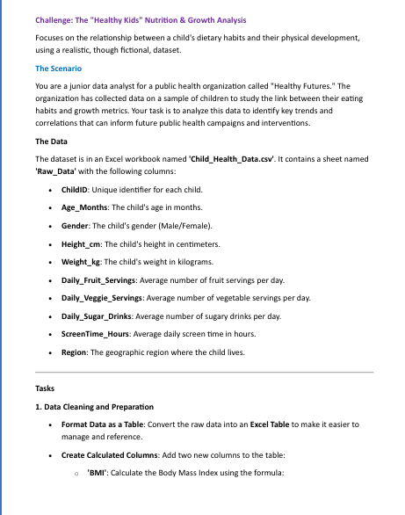
ChildID | Age_Months | Gender | Height_cm | Weight_kg | Daily_Fruit_Servings | Daily_Veggie_Servings | Daily_Sugar_Drinks | ScreenTime_Hours | Region
C001 | 47 | Female | 104.41 | 17.34 | 1 | 2 | 3 | 1.2 | South
C002 | 34 | Female | 99.08 | 16.21 | 0 | 1 | 1 | 1.4 | Central
C003 | 35 | Female | 94.96 | 17.3 | 3 | 3 | 2 | 0.6 | Central
C004 | 39 | Female | 100.65 | 20.01 | 2 | 0 | 1 | 1.5 | Central
C005 | 26 | Female | 90.06 | 12.16 | 0 | 1 | 0 | 0.9 | South
C006 | 51 | Male | 108.82 | 21.54 | 0 | 1 | 1 | 0.9 | East
C007 | 52 | Male | 110.28 | 21.49 | 4 | 0 | 2 | 2.8 | South
C008 | 52 | Female | 102.65 | 19.55 | 2 | 2 | 1 | 1.3 | Central
C009 | 28 | Male | 91.47 | 16.39 | 3 | 2 | 3 | 0.8 | North
C010 | 44 | Female | 111.89 | 17.95 | 1 | 3 | 0 | 0.8 | Central
C011 | 25 | Male | 96.25 | 13.5 | 3 | 4 | 0 | 0.6 | West
C012 | 32 | Female | 96.02 | 16.55 | 2 | 0 | 2 | 1 | North
C013 | 34 | Male | 97.37 | 15.55 | 0 | 1 | 2 | 1.3 | East
C014 | 49 | Male | 108.39 | 20.1 | 0 | 2 | 3 | 0.6 | East
C015 | 25 | Male | 92.58 | 15.13 | 2 | 2 | 2 | 1.6 | Central
C016 | 38 | Male | 99.65 | 16.94 | 1 | 3 | 3 | 2.1 | Central
C017 | 38 | Female | 98.91 | 19.49 | 0 | 0 | 3 | 3.1 | Central
C018 | 25 | Female | 96.42 | 14.69 | 1 | 3 | 2 | 1.2 | North
C019 | 57 | Female | 109.26 | 20.61 | 3 | 2 | 1 | 2 | East
C020 | 34 | Male | 98.22 | 15.49 | 1 | 2 | 0 | 0.8 | Central
C021 | 35 | Female | 101.02 | 16.76 | 3 | 2 | 2 | 1.9 | South
C022 | 56 | Male | 111.44 | 21.87 | 4 | 1 | 2 | 1.9 | East
C023 | 46 | Male | 103.85 | 19.47 | 2 | 4 | 3 | 2.9 | East
C024 | 35 | Female | 102.67 | 13.79 | 4 | 1 | 1 | 2 | Central
C025 | 52 | Male | 107.91 | 19.27 | 4 | 0 | 0 | 0.8 | East
C026 | 30 | Female | 96.67 | 15.72 | 3 | 1 | 2 | 1.2 | North
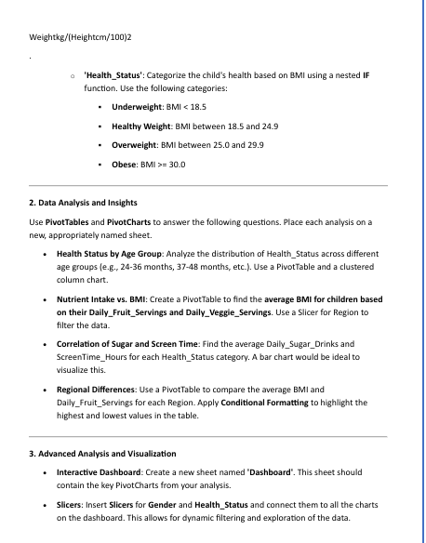
C027 | 35 | Male | 101.41 | 19.45 | 0 | 4 | 2 | 1.9 | South
C028 | 32 | Female | 102.28 | 11.75 | 2 | 1 | 1 | 1.3 | East
C029 | 46 | Male | 105.06 | 17.26 | 4 | 1 | 2 | 0.8 | Central
C030 | 43 | Male | 103.22 | 20.74 | 2 | 2 | 3 | 2.1 | South
C031 | 46 | Female | 105.42 | 20.23 | 4 | 0 | 2 | 2.3 | West
C032 | 32 | Male | 97.29 | 12.89 | 4 | 2 | 2 | 1.3 | Central
C033 | 46 | Male | 106.22 | 19.48 | 4 | 3 | 0 | 0.7 | South
C034 | 56 | Female | 114.63 | 20.11 | 2 | 1 | 0 | 0.8 | West
C035 | 30 | Female | 93.15 | 14.24 | 1 | 1 | 2 | 1.3 | Central
C036 | 44 | Female | 102.36 | 19.6 | 1 | 2 | 0 | 0.9 | West
C037 | 43 | Female | 105.34 | 14.14 | 4 | 3 | 0 | 0.8 | East
C038 | 31 | Female | 96.26 | 17.63 | 3 | 3 | 2 | 1.7 | East
C039 | 28 | Male | 97.25 | 14.98 | 3 | 4 | 3 | 3.2 | Central
C040 | 48 | Male | 108.23 | 21 | 3 | 4 | 0 | 0.6 | Central
C041 | 27 | Male | 97 | 15.12 | 4 | 0 | 1 | 1.7 | North
C042 | 45 | Male | 107.27 | 22.7 | 4 | 0 | 0 | 0.8 | South
C043 | 54 | Male | 112.46 | 21.36 | 2 | 0 | 1 | 1 | Central
C044 | 40 | Male | 103.32 | 17.41 | 1 | 0 | 2 | 2 | East
C045 | 52 | Female | 107.31 | 17.34 | 1 | 3 | 0 | 0.5 | North
C046 | 34 | Male | 99.12 | 17.43 | 3 | 4 | 3 | 1.6 | South
C047 | 27 | Male | 93.16 | 15.53 | 2 | 2 | 0 | 0.8 | Central
C048 | 55 | Male | 111.49 | 20.23 | 1 | 0 | 1 | 1.6 | North
C049 | 42 | Female | 108.71 | 16.2 | 2 | 1 | 3 | 1.1 | North
C050 | 36 | Female | 97.21 | 13.41 | 4 | 3 | 1 | 0.9 | Central
C051 | 34 | Female | 98.46 | 15.38 | 3 | 2 | 2 | 1.2 | South
C052 | 40 | Female | 100.6 | 17.31 | 0 | 3 | 0 | 0.6 | West
C053 | 39 | Female | 96.54 | 18.24 | 4 | 3 | 1 | 1.9 | West
C054 | 57 | Male | 110.58 | 21.99 | 3 | 0 | 0 | 0.9 | South
C055 | 50 | Female | 114.47 | 18.01 | 1 | 3 | 0 | 0.6 | North

C056 | 31 | Female | 96.28 | 16.84 | 4 | 2 | 3 | 0.5 | East
C057 | 44 | Female | 104.76 | 18.4 | 4 | 2 | 1 | 0.7 | South
C058 | 42 | Male | 105.35 | 19.88 | 1 | 2 | 2 | 2.8 | East
C059 | 59 | Male | 110.75 | 24.56 | 4 | 4 | 1 | 1.7 | South
C060 | 56 | Male | 108 | 22.24 | 2 | 4 | 2 | 1.1 | Central
C061 | 32 | Female | 98.63 | 17.96 | 0 | 0 | 2 | 2.6 | North
C062 | 47 | Female | 103.57 | 22.13 | 3 | 2 | 0 | 0.6 | South
C063 | 28 | Male | 92.72 | 15.7 | 4 | 0 | 1 | 0.5 | North
C064 | 56 | Male | 113.3 | 20.45 | 2 | 2 | 2 | 0.5 | West
C065 | 38 | Male | 104.84 | 19.83 | 4 | 0 | 0 | 0.8 | North
C066 | 50 | Female | 104.56 | 21.62 | 4 | 1 | 1 | 2 | South
C067 | 27 | Male | 97.32 | 16.28 | 2 | 4 | 0 | 0.8 | South
C068 | 32 | Female | 103.58 | 15.12 | 4 | 0 | 2 | 1.8 | East
C069 | 53 | Male | 105.92 | 22.98 | 2 | 0 | 0 | 0.8 | West
C070 | 33 | Male | 104.76 | 13.89 | 3 | 4 | 0 | 0.5 | East
C071 | 49 | Male | 108.22 | 19.55 | 1 | 1 | 2 | 1.6 | East
C072 | 32 | Female | 97.69 | 18.04 | 3 | 2 | 2 | 2.2 | South
C073 | 52 | Female | 104.99 | 22.77 | 3 | 2 | 1 | 1.1 | Central
C074 | 25 | Male | 88.93 | 15.5 | 3 | 0 | 3 | 3.8 | Central
C075 | 41 | Female | 105.5 | 20.18 | 1 | 4 | 3 | 1.9 | North
C076 | 38 | Male | 101.47 | 15.96 | 1 | 1 | 0 | 0.8 | South
C077 | 46 | Male | 103.84 | 17.13 | 0 | 4 | 1 | 0.7 | East
C078 | 45 | Male | 103.74 | 18.21 | 1 | 3 | 0 | 0.5 | East
C079 | 48 | Male | 101.32 | 21.93 | 4 | 2 | 2 | 2.8 | Central
C080 | 54 | Female | 109.83 | 21.35 | 3 | 2 | 1 | 0.7 | North
C081 | 49 | Male | 112.98 | 18.22 | 3 | 1 | 1 | 1.7 | South
C082 | 45 | Female | 104.87 | 19.66 | 1 | 4 | 2 | 1.1 | West
C083 | 30 | Male | 100.81 | 14.39 | 2 | 4 | 2 | 2.6 | South
C084 | 29 | Female | 101.16 | 14.14 | 2 | 2 | 3 | 1.3 | South
C085 | 57 | Female | 115.19 | 20.76 | 1 | 4 | 0 | 1 | South
C086 | 56 | Male | 110.72 | 20.15 | 0 | 1 | 1 | 2 | West
C087 | 56 | Female | 106.73 | 24.09 | 0 | 1 | 3 | 1.7 | West
C088 | 25 | Female | 99.72 | 14.9 | 4 | 2 | 3 | 2.2 | Central
C089 | 30 | Female | 96.45 | 14.77 | 4 | 2 | 0 | 0.6 | North
C090 | 53 | Male | 106.44 | 20.73 | 4 | 3 | 2 | 2 | South
C091 | 29 | Female | 97.77 | 15.72 | 2 | 0 | 0 | 0.9 | South
C092 | 58 | Male | 113.49 | 25.26 | 0 | 4 | 3 | 3 | West
C093 | 26 | Male | 92.08 | 15.29 | 4 | 1 | 2 | 2.6 | East
C094 | 25 | Female | 96.42 | 15.34 | 4 | 3 | 2 | 0.9 | East
C095 | 59 | Female | 108.1 | 19.25 | 1 | 0 | 1 | 1 | South
C096 | 50 | Female | 109.15 | 22.09 | 1 | 4 | 0 | 0.6 | Central
C097 | 48 | Male | 107.71 | 19.08 | 0 | 2 | 2 | 1.8 | East
C098 | 57 | Male | 112.41 | 21.55 | 2 | 4 | 0 | 0.9 | South
C099 | 45 | Male | 110.12 | 18.51 | 0 | 2 | 0 | 0.9 | North
C100 | 49 | Male | 106.6 | 21.21 | 0 | 0 | 2 | 2.5 | North

Pivot tables
Healthy status | Average of Age_Months
Healthy weight | 44.333333333
Under weight | 40.539473684
Grand Total | 41.45

Average of BODY MAS INDEX | daily veggie servings
Daily fruit servings | 0 | 1 | 2 | 3 | 4 | Grand Total
0 | 19.016420428 | 17.280117597 | 16.273050473 | 17.104134636 | 18.137073212 | 17.566529535
1 | 16.352488628 | 16.201722814 | 17.145357432 | 15.486892119 | 17.548662976 | 16.468003434
2 | 18.304030863 | 13.41480487 | 17.219114471 |  | 17.104693631 | 16.873827574
3 | 18.791232347 | 15.547827346 | 18.379040518 | 19.10585085 | 15.74731777 | 17.508354425
4 | 17.326942725 | 16.827714127 | 16.795637421 | 16.42791382 | 20.023541521 | 17.004575439
Grand Total | 17.801185142 | 16.198132314 | 17.352645061 | 16.453644798 | 17.160526115 | 17.058049606

Healthy status | Average of Daily_Sugar_Drinks | Average of ScreenTime_Hours
Healthy weight | 1.5833333333 | 1.6875
Under weight | 1.3026315789 | 1.2986842105
Grand Total | 1.37 | 1.392

Region | Average of BODY MAS INDEX | Average of Daily_Fruit_Servings
Central | 17.280514841 | 2.3333333333
East | 16.37117202 | 2.1428571429
North | 16.789441133 | 2 |  | high value colur is red
South | 17.188810268 | 2.5 |  | low value colour is yellow
West | 17.912368815 | 1.5833333333
Grand Total | 17.058049606 | 2.19

dash board
The "Healthy Kids" Nutrition & Growth Analysis

 | Average of BODY MAS INDEX | Average of Age_Months
Female | 16.832629061 | 40.083333333
Male | 17.266130109 | 42.711538462

 | Average of BODY MAS INDEX2 |  | Average of Daily_Fruit_Servings | Average of Daily_Veggie_Servings | Average of Daily_Sugar_Drinks
Central | 17.280514841 | Female | 2.2083333333 | 1.8541666667 | 1.3541666667
East | 16.37117202 | Male | 2.1730769231 | 1.9423076923 | 1.3846153846
North | 16.789441133 | Grand Total | 2.19 | 1.9 | 1.37
South | 17.188810268
West | 17.912368815
Grand Total | 17.058049606

 | Average of BODY MAS INDEX2 |  | Average of BODY MAS INDEX | Average of Age_Months
Central | 17.280514841 | Female | 16.832629061 | 40.083333333
East | 16.37117202 | Male | 17.266130109 | 42.711538462
North | 16.789441133 | Grand Total | 17.058049606 | 41.45
South | 17.188810268
West | 17.912368815
Grand Total | 17.058049606

 |  |  |  | Average of BODY MAS INDEX
 |  |  | Healthy weight | 19.620024839
 |  |  | Female | 19.567138875
 |  |  | Male | 19.682526433
 |  |  | Under weight | 16.249004796
 |  |  | Female | 15.816953987
 |  |  | Male | 16.617828657
 |  |  | Grand Total | 17.058049606

